Sheet1
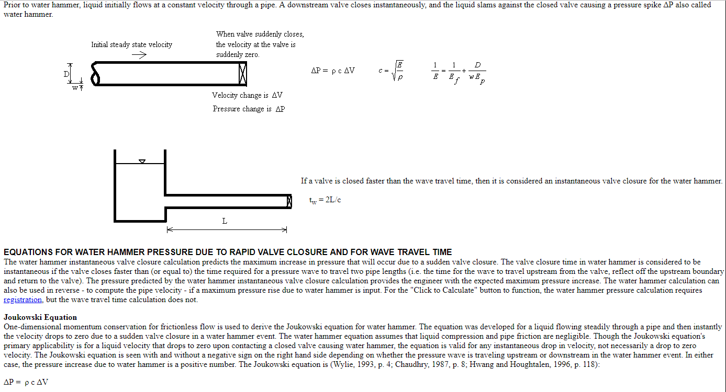

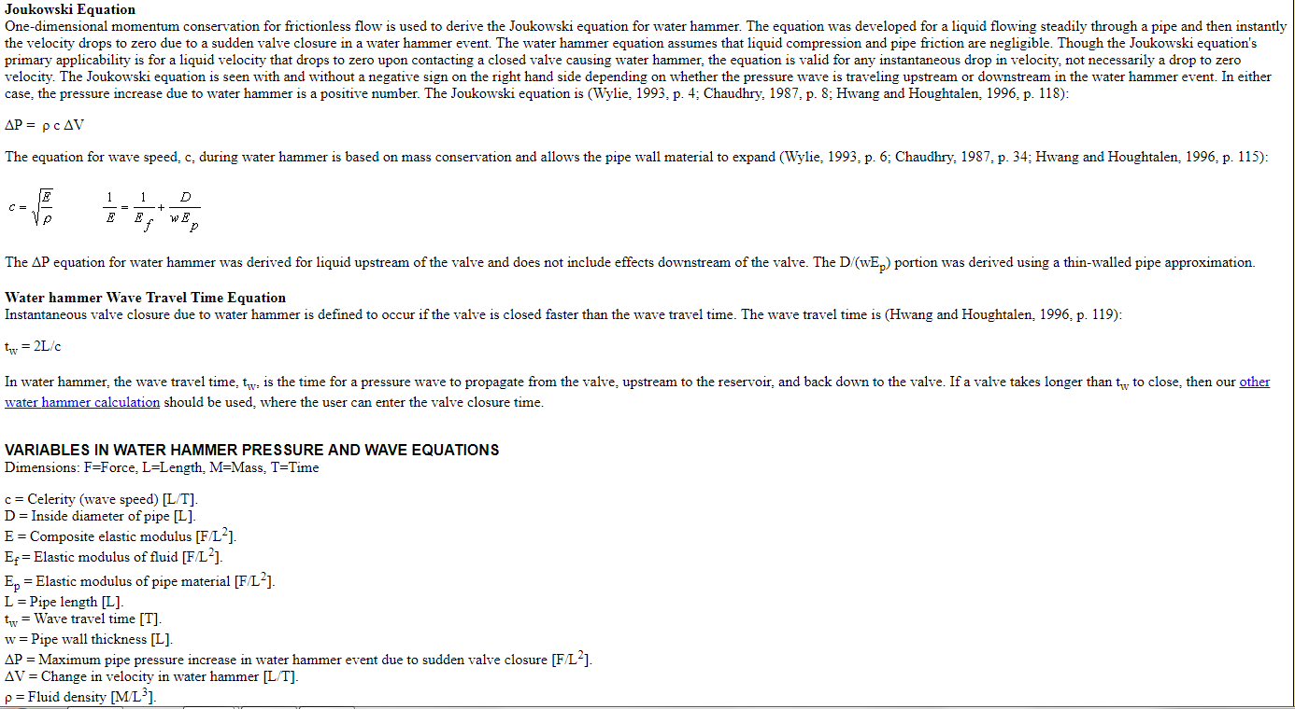

c = Celerity (wave speed) [L/T].
D = Inside diameter of pipe [L].
E = Composite elastic modulus [F/L2].
Ef = Elastic modulus of fluid [F/L2].
Ep = Elastic modulus of pipe material [F/L2].
L = Pipe length [L].
tw = Wave travel time [T].
w = Pipe wall thickness [L].
ΔP = Maximum pipe pressure increase in water hammer event due to sudden valve closure [F/L2].
ΔV = Change in velocity in water hammer [L/T].
ρ = Fluid density [M/L3].

ρ = | 1000
Ef = | 2150000000
Ep = | 205000000000
Pipe inside diamter = (mm) | 203.52
Pipe inside diamter = (m) | 0.19952
wall thickness (mm)= | 4
wall thickness (m)= | 0.004
1/Ef= | 4.6511627907E-10
w*Ep= | 820000000
D/(w*Ep)= | 2.4331707317E-10
1/Ecomp = | 7.0843335224E-10
Ecomp= | 1411565388.4
c= | 1188.0931733
Flow= (m3/hr) | 110
Cross section of pipe= (m2) | 0.031265311044
Flow= (m/s) | 0.97729894682
Change in Pressure= | 11.61122207

